Instructions
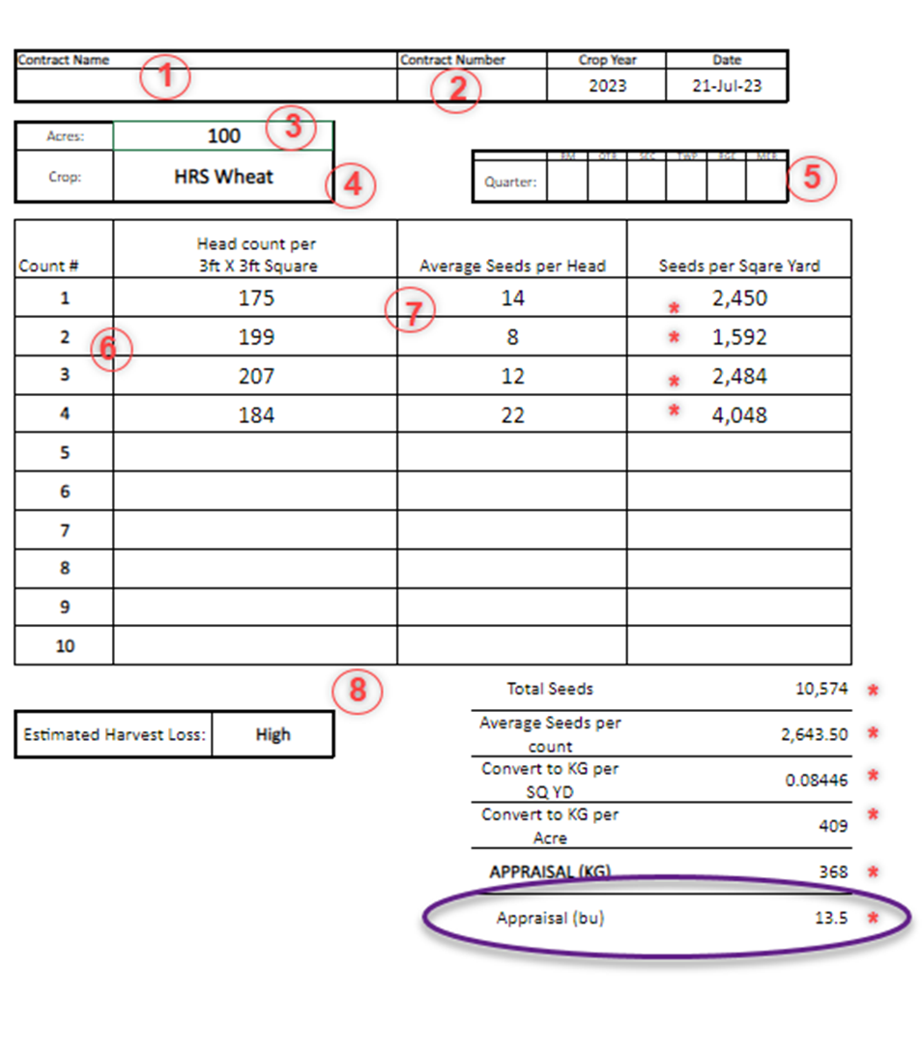
Please Note: Complete a new worksheet for each crop type

1. Enter in the Contract Name

2. Enter in the Contract Number

3. The number of acres the counts represent

4. Select from the drop down the crop type intended for alternate use
It is important to select the crop type to ensure accurate automatic calculation. If the crop is not available in the dropdown menu, please contact your local SCIC office.

5. Enter in the Legal Land Location (LLD) of the field counts are taken on. If counts are taken on more than one LLD please note all LLDs on form

6. Take multiple counts throughout the field, trying to ensure they are representative of the whole area (best looking area, worst looking area and average looking area)

7. If Head sizes are variable in the 3ft x 3ft square area. Determine the average seed counts per head.
Example: Count the total seeds on 3 large heads, seeds on 3 medium heads, and seeds on 3 small heads, then divide the total by 9 to reach the average seeds per head.

8. Select from the estimated harvest loss drop down, High, Med, or Low
Example: short plants with a thin stand that will be swathed and then combined would have a high harvest loss, where as a taller thin crop that is going to be straight cut might be medium or low harvest loss.

* The totals will automatically calculate based on the crop type, plant and seed counts

The Appraisal (bu) at the bottom of the sheet is the estimated yield to help determine if the crop is below a Double Low Yield Appraisal threshold.

This worksheetsheet is to be used for informational purposes only.

